mois de ventes
Étiquettes de lignes | Somme de Price
1 | 2059563.0336
2 | 2404140.1168
3 | 6590676.0504
4 | 3599425.0128
5 | 3183496.9916
6 | 3982511.2436
7 | 4093374.7324
8 | 4885851.438
9 | 3742728.8624
10 | 5044577.7052
11 | 7776809.6656
12 | 5176584.5496
Total général | 52539739.402

Age & Sexe
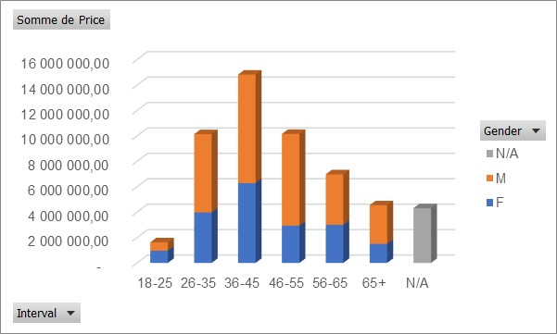
Nombre de Price | Étiquettes de colonnes
Étiquettes de lignes | F | M | N/A | Total général
18-25 | 3 | 2 |  | 5
26-35 | 15 | 21 |  | 36
36-45 | 21 | 31 |  | 52
46-55 | 14 | 27 |  | 41
56-65 | 11 | 15 |  | 26
65+ | 6 | 12 |  | 18
N/A |  |  | 17 | 17
Total général | 70 | 108 | 17 | 195

 | F | M | N/A
18-25 | 3 | 2
26-35 | 15 | 21
36-45 | 21 | 31
46-55 | 14 | 27
56-65 | 11 | 15
65+ | 6 | 12
N/A |  |  | 17

Invest & indi
Nombre de Price | Étiquettes de colonnes
Étiquettes de lignes | Home | Investment | Total général
Firm | 1 | 16 | 17
Individual | 118 | 60 | 178
Total général | 119 | 76 | 195

Mortgage
Somme de Price | Étiquettes de colonnes
Étiquettes de lignes | No | Yes | Total général
F | 11,401,047.03 | 7,242,157.66 | 18,643,204.69
18-25 | 959,587.89 |  | 959,587.89
26-35 | 2,690,453.45 | 1,283,356.03 | 3,973,809.47
 | No | Yes
18-25 | 959587.89
26-35 | 2690453.45 | 1283356.03
36-45 | 3078550.88 | 3200382.35
46-55 | 1725240.09 | 1207331.61
56-65 | 1928435.28 | 1070204.64
65+ | 1018779.43 | 480883.04
18-25 |  | 661947.92
26-35 | 4785645.97 | 1372638.91
36-45 | 5491046.89 | 3049225.76
46-55 | 4962387.70 | 2255666.60
56-65 | 3352033.19 | 619863.49
65+ | 2333833.75 | 704350.92
N/A | 3419425.17 | 888468.44
36-45 | 3,078,550.88 | 3,200,382.35 | 6,278,933.23
46-55 | 1,725,240.09 | 1,207,331.61 | 2,932,571.70
56-65 | 1,928,435.28 | 1,070,204.64 | 2,998,639.93
65+ | 1,018,779.43 | 480,883.04 | 1,499,662.47
M | 20,924,947.50 | 8,663,693.60 | 29,588,641.10
18-25 |  | 661,947.92 | 661,947.92
26-35 | 4,785,645.97 | 1,372,638.91 | 6,158,284.88
36-45 | 5,491,046.89 | 3,049,225.76 | 8,540,272.64
46-55 | 4,962,387.70 | 2,255,666.60 | 7,218,054.30
56-65 | 3,352,033.19 | 619,863.49 | 3,971,896.68
65+ | 2,333,833.75 | 704,350.92 | 3,038,184.67
N/A | 3,419,425.17 | 888,468.44 | 4,307,893.62
N/A | 3,419,425.17 | 888,468.44 | 4,307,893.62
Total général | 35,745,419.70 | 16,794,319.70 | 52,539,739.40

Localisation
Étiquettes de lignes | Nombre de Price
Arizona | 11
California | 119
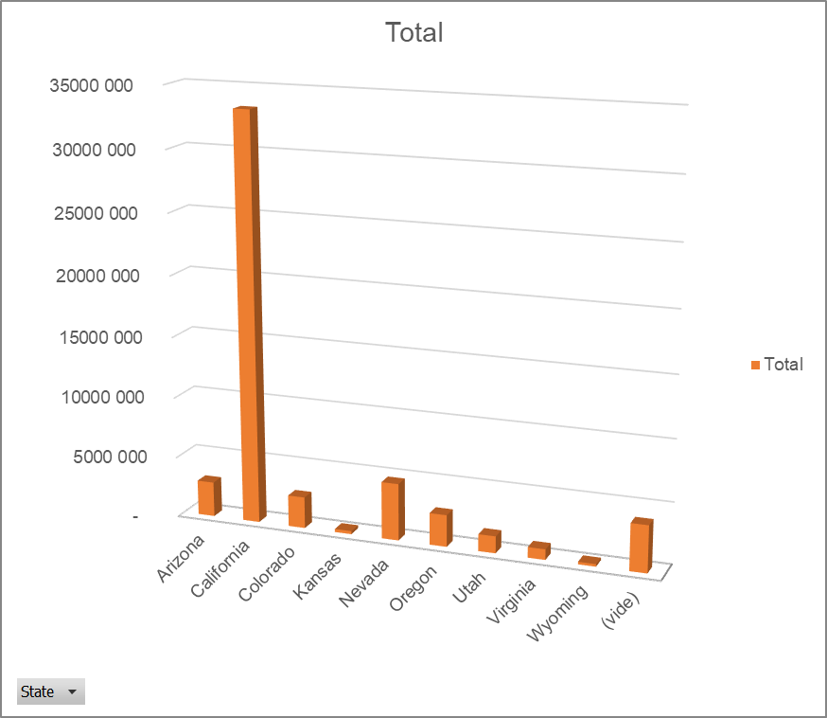
Total
Colorado | 11
Kansas | 1
Nevada | 17
Oregon | 11
Utah | 6
Virginia | 4
Wyoming | 1
(vide) | 14
Total général | 195

Feuil6
 | Agency | Client | Website
18-25 | 1 |  | 2
26-35 | 8 | 3 | 4
36-45 | 7 | 2 | 12
46-55 | 2 | 3 | 9
56-65 | 3 |  | 8
65+ | 1 | 1 | 4
18-25 |  | 1 | 1
26-35 | 5 | 4 | 12
36-45 | 15 |  | 16
46-55 | 11 | 2 | 14
56-65 | 3 | 1 | 11
65+ | 2 |  | 10
N/A | 1 |  | 16

Nombre de Price | Étiquettes de colonnes
Étiquettes de lignes | Agency | Client | Website | Total général
F | 22 | 9 | 39 | 70.00
18-25 | 1 |  | 2 | 3.00
26-35 | 8 | 3 | 4 | 15.00
36-45 | 7 | 2 | 12 | 21.00
46-55 | 2 | 3 | 9 | 14.00
56-65 | 3 |  | 8 | 11.00
65+ | 1 | 1 | 4 | 6.00
M | 36 | 8 | 64 | 108.00
18-25 |  | 1 | 1 | 2.00
26-35 | 5 | 4 | 12 | 21.00
36-45 | 15 |  | 16 | 31.00
46-55 | 11 | 2 | 14 | 27.00
56-65 | 3 | 1 | 11 | 15.00
65+ | 2 |  | 10 | 12.00
N/A | 1 |  | 16 | 17.00
N/A | 1 |  | 16 | 17.00
Total général | 59.00 | 17.00 | 119.00 | 195.00

